Cover
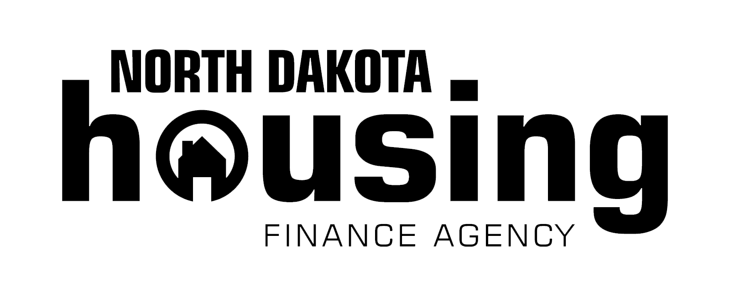

 |  | Application - Exhibit A
 |  | to accompany all Applications for the following Programs:

 | HOME CHDO Operating Grant (HCOG)

This spreadsheet package (Workbook) has been created by the North Dakota Housing Finance Agency (NDHFA) and is designed to be used in conjunction with an application to NDHFA for one or more of the following affordable housing program(s);
1) HOME CHDO Operating Grant (HCOG)
Use of this Workbook is solely to facilitate NDHFA's analysis of the proposed Project. The information contained herein is not a represention of the Project's feasibility, viability, or investment quality.
NDHFA does not warrant to any users of this workbook as to Internal Revenue Service interpretation of the Code. Users should consult their own legal and tax professionals.

 |  |  | Equal Housing
2023-05-12 |  |  | Opportunity

